Definitions
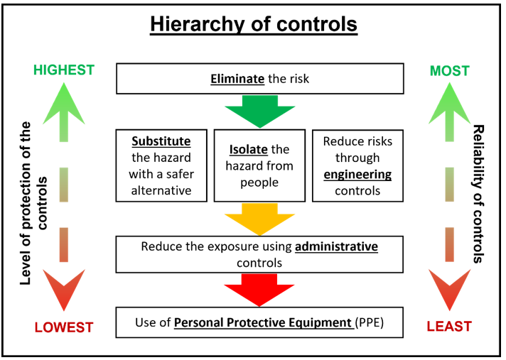
Risk assessment matrix
Likelihood | Consequence
 | Insignificant [1] | Minor [2] | Moderate [3] | Major [4] | Critical [5]
Almost Certain [5] | Medium [5] | High [10] | High [15] | Extreme [20] | Extreme [25]
Likely [4] | Low [4] | Medium [8] | High [12] | High [16] | Extreme [20]
Possible [3] | Low [3] | Medium [6] | High [9] | High [12] | High [15]
Unlikely [2] | Low [2] | Low [4] | Medium [6] | Medium [8] | High [10]
Rare [1] | Low [1] | Low [2] | Low [3] | Low [4] | Medium [5]

Definition of consequence and likelihood levels
Consequence | Description of consequence
1. Insignificant | No treatment required
2. Minor | Minor injury requiring first aid treatment (e.g. minor cuts, bruises, bumps)
3. Moderate | Injury requiring medical treatment or lost time
4. Major | Serious injury, or injuries, requiring specialist medical treatment or hospitalisation
5. Critical | Loss of life, permanent disability or multiple serious injuries
Likelihood | Description of likelihood
1. Rare | Will only occur in exceptional circumstances
2. Unlikely | Not likely to occur within the foreseeable future, or within the project lifecycle
3. Possible | May occur within the foreseeable future, or within the project lifecycle
4. Likely | Likely to occur within the foreseeable future, or within the project lifecycle
5. Almost certain | Almost certain to occur within the foreseeable future or within the project lifecycle

Risk control or management
Assessed risk Level | Description of risk level |  |  | Actions
Low [1-4] | If an incident were to occur, there would be little likelihood that an injury would result. |  |  | Undertake the activity with the existing controls in place.
Medium [5-8] | If an incident were to occur, there would be some chance that an injury requiring first aid would result. |  |  | Additional controls may be needed.
High [9-16] | If an incident were to occur, it would be likely that an injury requiring medical treatment would result. |  |  | Controls will need to be in place before the activity is undertaken.
Extreme [17-25] | If an incident were to occur, it would be likely that a permanent, debilitating injury or death would result. |  |  | Consider alternatives to doing the activity. Significant control measures will need to be implemented to ensure safety.

